Application Screen
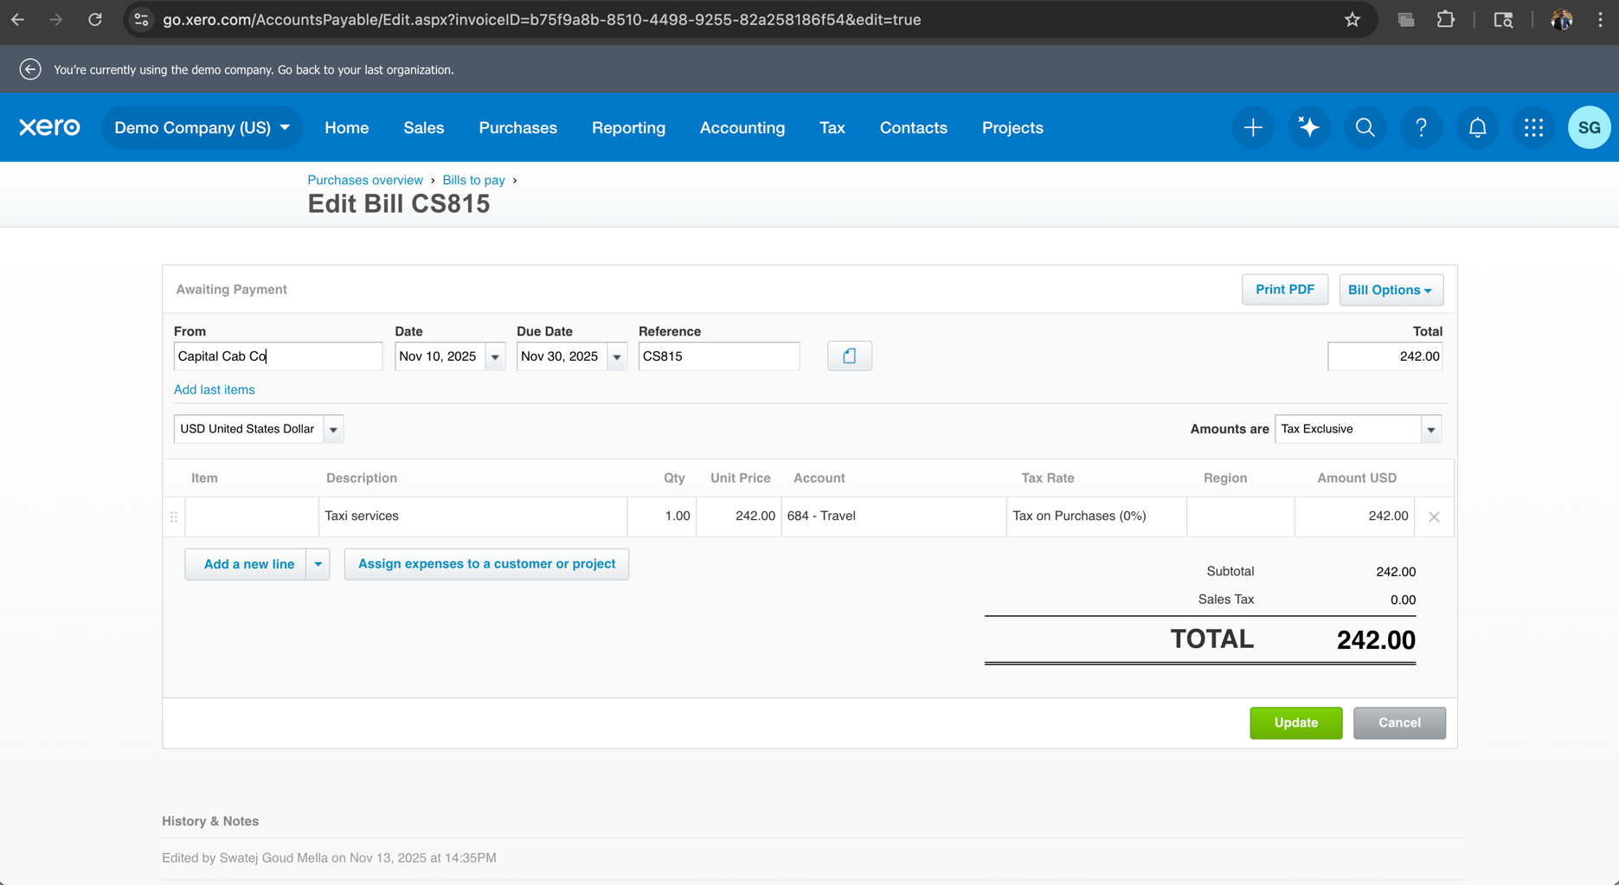
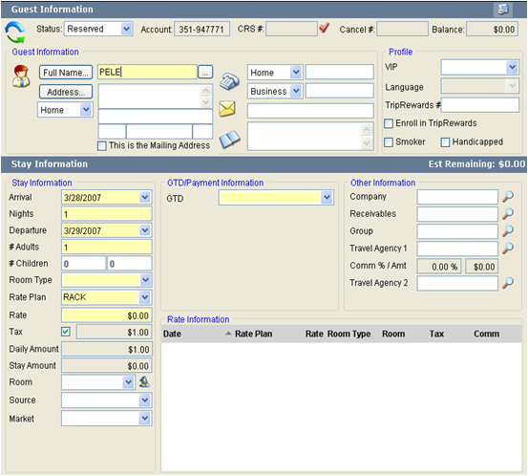

Test Case 1
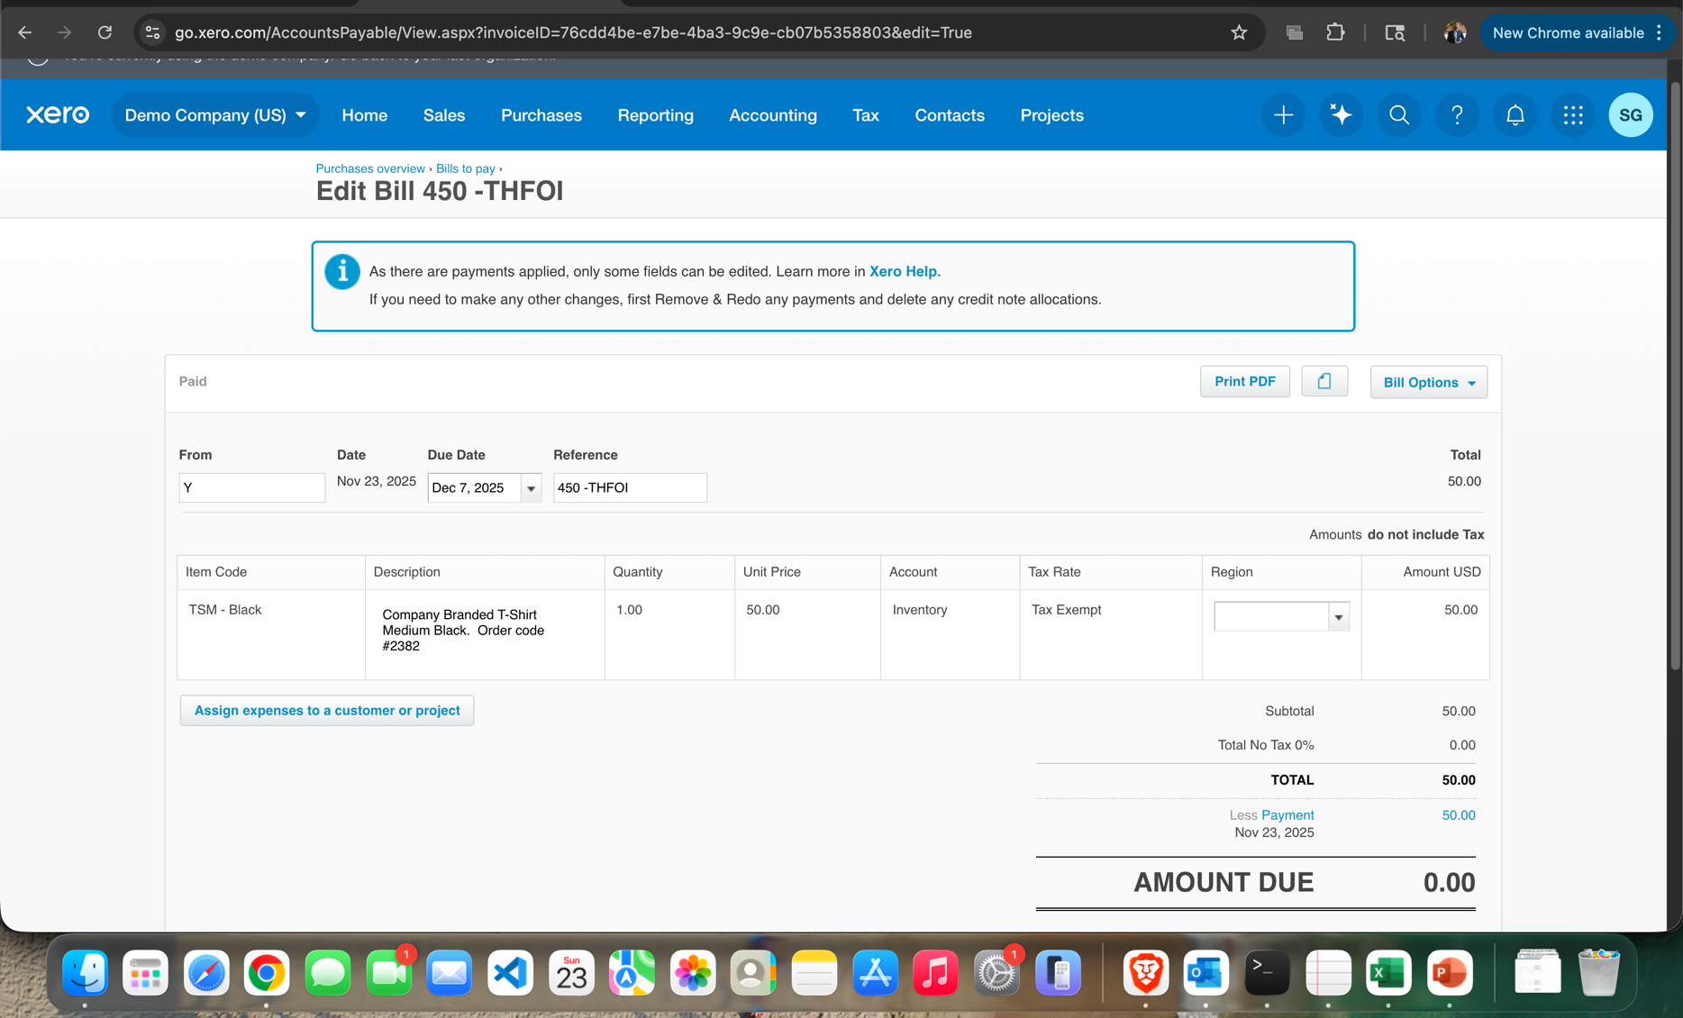
TC Title: | TC1. Edit Bills - Edit Bill in "Awaiting Payment" Status (Line Items)

TC Objective: | Verify line item details (Account, Amount, Description) can be edited before any payment is applied.

Test Data (optional): | Create a bill for Supplier X for a single line item: Qty 1, Price 100.00, Account 400-Expenses. Click "Approve". Navigate to the "Awaiting Payment" list and click on the bill created in Step 1. Click the "Edit" button. Change the Unit Price from 100.00 to 80.00. Change the Account Code from 400-Expenses to a new code (e.g., 450-Office Supplies). Click the "Update" button (or "Approve" button, if the status remains "Approved"). View the bill after saving.

TC Description
 | Step | Step Description | Expected Results
 | 1 | Setup: Create a new bill and approve it. | The bill is saved with a total of $100.00 (plus tax) and is listed under the "Awaiting Payment" tab.
 | 2 | Open the approved bill for editing. | All line item fields (Description, Qty, Unit Price, Account, Tracking) become active and editable.
 | 3 | Modify the bill's financial details. | The line item total and the bill grand total update immediately to reflect the new lower price ($80.00, plus tax).
 | 4 | Save the changes. | The bill is successfully saved with the new details.
 | 5 | Verification: Check the final details and status. | The bill status remains "Awaiting Payment". The new Unit Price (80.00) and the new Account Code (450-Office Supplies) are correctly displayed, and the total has been updated.
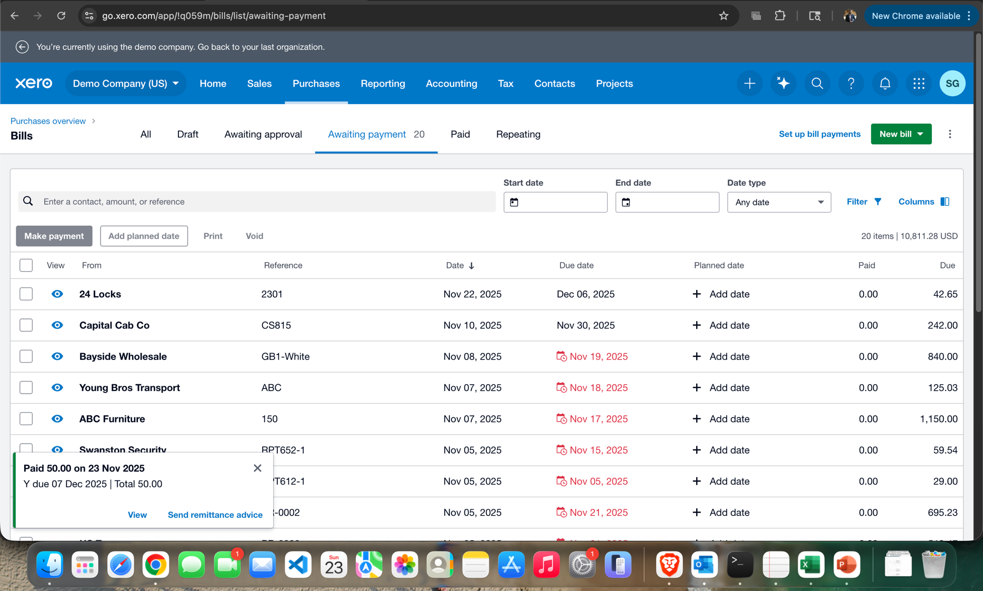
 | 6
 | 7
 | 8
 | 9
 | 10

Test Case 4
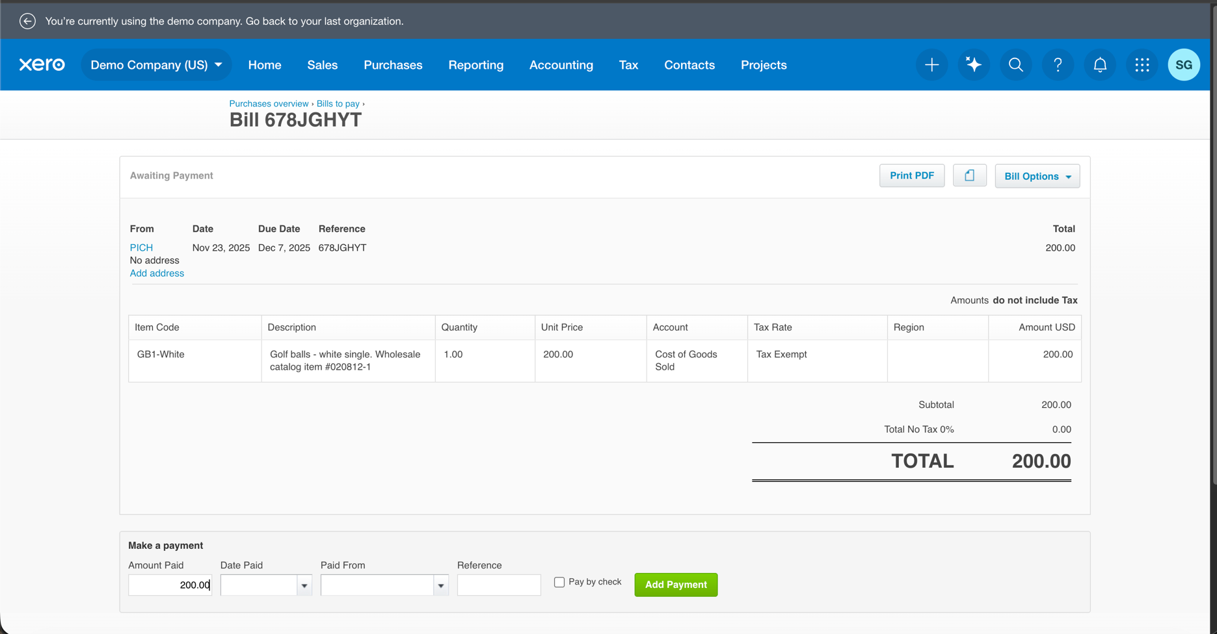
TC Title: | TC4. Edit bills - Editing the Supplier ("From") Field

TC Objective: | To verify that the system prevents editing the "From" (Supplier/Contact) field after a bill has been Approved and moved to the Awaiting Payment status. This maintains the integrity of the Accounts Payable ledger and supplier history.

Test Data (optional): | Create a bill for Supplier Z with a Bill Date of Oct 1, 2025 and a Due Date of Oct 31, 2025. Approve the bill.

TC Description
 | Step | Step Description | Expected Results
 | 1 | Setup: Create and approve a bill. | The bill is saved in the Awaiting Payment status, linked to Supplier P.
 | 2 | Open the approved bill for editing. | All fields become editable, or the bill reverts to the entry screen
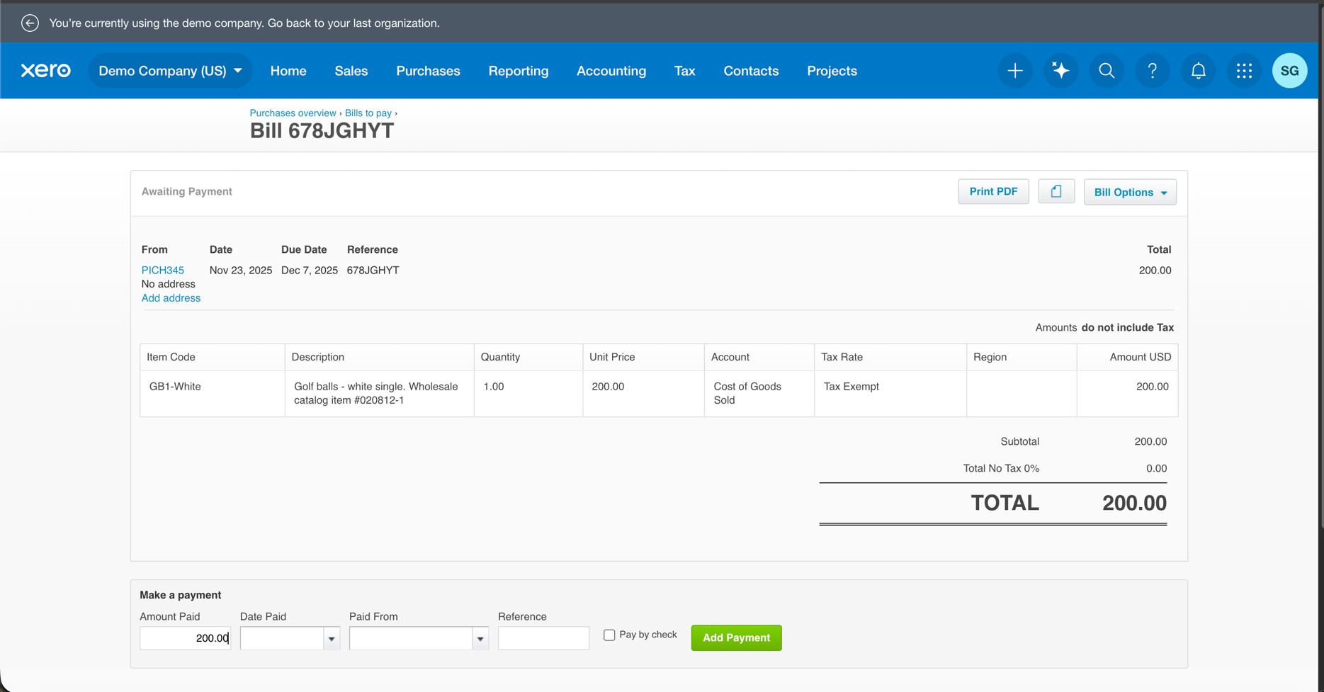
 | 3 | Attempt to modify the "From" (Supplier) field. | Expected: The "From" field should be locked, grayed out, or disabled upon opening the edit screen. The system should not allow the user to select or type a new supplier name.
 | 4 | (Contingency: If modification is allowed) Attempt to save the change. | Expected: A critical error message should be displayed, preventing the save and stating that the contact cannot be changed once the bill has been approved/saved.
 | 5 | Verification: Check the final details. | The bill must still be linked to the original supplier, Supplier P, and the status remains Awaiting Payment.
 | 6
 | 7
 | 8
 | 9
 | 10

